Portfolio Numenclature
Portfolio Numenclature
PORTFOLIO NUMENCLATURE
 | E(r) | Sigma
Efficient x | 10% | 20%
Efficient y (MVP) | 8% | 15% |  | rho(x,y) | 75.0%

Infeasible | 10.0% | 18.5%
Infeasible | 6.0% | 17.5%
Efficient and envelope | 8.8% | 15.9% | 40%
Envelope, not efficient | 7.2% | 15.9% | -40%
Feasable, not envelope | 9.0% | 19.0%
Feasable, not envelope | 8.0% | 17.0%
Feasable, not envelope | 7.0% | 18.0%

Efficient and envelope |  |  |  | Envelope, not efficient
Jumps | 7% |  |  | Jumps | -7%
X(eff x) | Sigma(rp) | E(rp) |  | X(eff x) | Sigma(rp) | E(rp)
0% | 15% | 8.00% |  | 0% | 15% | 8.00%
7% | 15% | 8.14% |  | -7% | 15% | 7.86%
14% | 15% | 8.28% |  | -14% | 15% | 7.72%
21% | 15% | 8.42% |  | -21% | 15% | 7.58%
28% | 15% | 8.56% |  | -28% | 15% | 7.44%
35% | 16% | 8.70% |  | -35% | 16% | 7.30%
42% | 16% | 8.84% |  | -42% | 16% | 7.16%
49% | 16% | 8.98% |  | -49% | 16% | 7.02%
56% | 17% | 9.12% |  | -56% | 17% | 6.88%
63% | 17% | 9.26% |  | -63% | 17% | 6.74%
70% | 18% | 9.40% |  | -70% | 18% | 6.60%
77% | 18% | 9.54% |  | -77% | 18% | 6.46%
84% | 19% | 9.68% |  | -84% | 19% | 6.32%
91% | 19% | 9.82% |  | -91% | 19% | 6.18%
98% | 20% | 9.96% |  | -98% | 20% | 6.04%
105% | 20% | 10.10% |  | -105% | 20% | 5.90%
112% | 21% | 10.24% |  | -112% | 21% | 5.76%

Zero Beta
Finding Zero-Beta Portfolios
Finding Envelope Portfolios
 | E(r) | Sigma
Efficient a | 8% | 15%
Efficient b (MVP) | 4% | 7% |  | rho(x,y) | 46.7%

Var-Cov
 | Efficient a | Efficient b (MVP)
Efficient a | 0.0225 | 0.0049
Efficient b (MVP) | 0.0049 | 0.0049

c1 | 1% | 0% |  |  | c2 | 2.5% | 0%

 | Z | X |  |  |  | Z | X
Efficient a | 2.27 | 37% |  |  | Efficient a | 2.27 | 74%
Efficient b (MVP) | 3.85 | 63% |  |  | Efficient b (MVP) | 0.79 | 26%

 | E(r) | Sigma |  |  |  | E(r) | Sigma
x, a tangency portfolio given c1 | 5.5% | 8.6% | 37% |  | y, a tangency portfolio given c2 | 7.0% | 12.1% | 74%
Z(c1) | 1.0% | 12.2% | -75% |  | Z(c2) | 2.5% | 8.6% | -38%

Straight line connecting c1 and x |  |  |  | Straight line connecting c2 and y
weight risky | Sigma | E(r) |  | weight risky | Sigma | E(r)
0% | 0.0% | 1.0% |  | 0% | 0.0% | 2.5%
170% | 14.5% | 8.6% |  | 150% | 18.1% | 9.2%

Straight line connecting c1 and Z(c1) |  |  |  | Straight line connecting c2 and Z(c2)
weight risky | Sigma | E(r) |  | weight risky | Sigma | E(r)
0% | 0.0% | 1.0% |  | 0% | 0.0% | 2.5%
100% | 12.2% | 1.0% |  | 100% | 8.6% | 2.5%

Efficient and envelope |  |  |  | Envelope, not efficient
Jumps | 8% |  |  | Jumps | -5%
X(eff x) | Sigma(rp) | E(rp) |  | X(eff x) | Sigma(rp) | E(rp)
0% | 7% | 4.00% |  | 0% | 7% | 4.00%
8% | 7% | 4.32% |  | -5% | 7% | 3.80%
16% | 7% | 4.64% |  | -10% | 7% | 3.60%
24% | 8% | 4.96% |  | -15% | 7% | 3.40%
32% | 8% | 5.28% |  | -20% | 7% | 3.20%
40% | 9% | 5.60% |  | -25% | 8% | 3.00%
48% | 9% | 5.92% |  | -30% | 8% | 2.80%
56% | 10% | 6.24% |  | -35% | 8% | 2.60%
64% | 11% | 6.56% |  | -40% | 9% | 2.40%
72% | 12% | 6.88% |  | -45% | 9% | 2.20%
80% | 13% | 7.20% |  | -50% | 10% | 2.00%
88% | 14% | 7.52% |  | -55% | 10% | 1.80%
96% | 15% | 7.84% |  | -60% | 11% | 1.60%
104% | 15% | 8.16% |  | -65% | 11% | 1.40%
112% | 16% | 8.48% |  | -70% | 12% | 1.20%
120% | 17% | 8.80% |  | -75% | 12% | 1.00%
128% | 18% | 9.12% |  | -80% | 13% | 0.80%

Eff portfolios and frontier
CALCULATING EFFICIENT PORTFOLIOS AND THE FRONTIER
Variance-covariance matrix, S |  |  |  |  |  | Mean returns E(r)
 | Asset 1 | Asset 2 | Asset 3 | Asset 4 |  |  |  | Sigma
Asset 1 | 0.10 | 0.01 | 0.03 | 0.05 |  | 6% |  | 0.32
Asset 2 | 0.01 | 0.30 | 0.06 | -0.04 |  | 8% |  | 0.55
Asset 3 | 0.03 | 0.06 | 0.40 | 0.02 |  | 10% |  | 0.63
Asset 4 | 0.05 | -0.04 | 0.02 | 0.50 |  | 15% |  | 0.71

Computing an envelope portfolio with constant = 0
 | z |  |  |  |  | Envelope portfolio, x
Asset 1 | 0.3861 | <--{=MMULT(MINVERSE(B4:E7),G4:G7-0)} |  |  |  | 0.3553 | <--=B11/$B$15
Asset 2 | 0.2567 |  |  |  |  | 0.2362
Asset 3 | 0.1688 |  |  |  |  | 0.1553
Asset 4 | 0.2752 |  |  |  |  | 0.2532
Sum | 1.0868 | <--=SUM(B11:B14) |  |  | Sum | 1.0000 | <--=SUM(G11:G14)

Computing an envelope portfolio with constant = 4.00%
Constant, c | 4.00%
 | z |  |  |  |  | Envelope portfolio, y
Asset 1 | 0.0404 |  | {=MMULT(MINVERSE(B4:E7),G4:G7-B18)} |  |  | 0.0782 | <--=B20/$B$24
Asset 2 | 0.1386 |  |  |  |  | 0.2684
Asset 3 | 0.1151 |  |  |  |  | 0.2227
Asset 4 | 0.2224 |  |  |  |  | 0.4307
Sum | 0.5165 | <--=SUM(B20:B23) |  |  | Sum | 1.0000 | <--=SUM(G20:G23)

 | Portfolio x | Portfolio y
Constant, c | 0% | 4.00% | <--=B18
E(rp) | 9.37% | 11.30% | <--{=MMULT(TRANSPOSE(G20:G23),G4:G7)}
Var(rp) | 0.0862 | 0.1414 | <--{=MMULT(MMULT(TRANSPOSE(G20:G23),B4:E7),G20:G23)}
Sigma | 29.37% | 37.60% | <--=SQRT(C29)

Cov(x,y) | 0.1040 | <--{=MMULT(MMULT(TRANSPOSE(G11:G14),B4:E7),G20:G23)}
Corr(x,y) | 0.9419 | <--=B32/(B30*C30)

The Envelope in Our Example
A single portfolio calculation
Proportion of x | 30%
E(rp) | 10.72% | <--=B36*B28+(1-B36)*C28
Var(rp) = sp2 | 0.1207 | <--=B36^2*B29+(1-B36)^2*C29+2*B36*(1-B36)*B32
sp | 34.75% | <--=SQRT(B38)

Data table: We vary the proportion of x to produce a graph of the frontier
Prop. of x | Sigma | Return |  |  |  |  |  | Jumps
 | 34.75% | 10.72% | <--=B37, data table header |  |  |  |  | 50%
-250% | 67.15% | 16.13%
-200% | 60.78% | 15.17%
-150% | 54.56% | 14.20%
-100% | 48.56% | 13.23%
-50% | 42.86% | 12.27%
0% | 37.60% | 11.30%
50% | 33.00% | 10.34%
100% | 29.37% | 9.37%
150% | 27.09% | 8.41%
200% | 26.52% | 7.44%
250% | 27.76% | 6.48%
300% | 30.60% | 5.51%
350% | 34.64% | 4.54%
400% | 39.52% | 3.58%
450% | 44.96% | 2.61%
500% | 50.79% | 1.65% | <-- | On the envelope but not efficient
550% | 56.88% | 0.68%

High c -> inefficient
CALCULATING THE ENVELOPE SOME c's CAN LEAD TO INEFFICIENT PORTFOLIOS
Variance-covariance matrix, S |  |  |  |  | Mean returns E(r)
 | Asset 1 | Asset 2 | Asset 3 | Asset 4 |  | Sigma
Asset 1 | 0.10 | 0.01 | 0.03 | 0.05 | 6% | 32%
Asset 2 | 0.01 | 0.30 | 0.06 | -0.04 | 8% | 55%
Asset 3 | 0.03 | 0.06 | 0.40 | 0.02 | 10% | 63%
Asset 4 | 0.05 | -0.04 | 0.02 | 0.50 | 15% | 71%

Constant | 11% | 4%
 | Portfolio x (inefficient) | Portfolio y (efficient)
Asset 1 | 117% | 8% | <--{=MMULT(MINVERSE(B4:E7),G4:G7-C9)/SUM(MMULT(MINVERSE(B4:E7),G4:G7-C9))}
Asset 2 | 14% | 27%
Asset 3 | -4% | 22%
Asset 4 | -27% | 43%
Sum | 100% | 100% | <--=SUM(C11:C14)

Portfolio mean | 3.67% | 11.30% | <--=SUMPRODUCT(C11:C14,$G$4:$G$7)
Portfolio sigma | 39.01% | 37.60% | <--{=SQRT(MMULT(MMULT(TRANSPOSE(C11:C14),$B$4:$E$7),C11:C14))}
Covariance(rx,ry) | -0.00631 | <--{=MMULT(MMULT(TRANSPOSE(B11:B14),B4:E7),C11:C14)}

Proportion of x | Sigma | Mean return |  |  |  | Jump
150% | 62% | 0% |  |  |  | -20%
130% | 52% | 1%
110% | 43% | 3%
90% | 35% | 4%
70% | 29% | 6%
50% | 27% | 7%
30% | 28% | 9%
10% | 34% | 11%
-10% | 42% | 12%
-30% | 51% | 14%
-50% | 60% | 15%
-70% | 71% | 17%
-90% | 81% | 18%

Line of c and X
weight(x) | Sigma | Mean return
0% | 0.00% | 11.00%
140% | 54.61% | 0.74%

CML
Efficient frontier with CML
Finding Envelope Portfolios
 | E(r) | Sigma
Efficient a | 8% | 15%
Efficient b (MVP) | 4% | 7% |  | rho(x,y) | 46.7%

Var-Cov
 | Efficient a | Efficient b (MVP)
Efficient a | 0.0225 | 0.0049
Efficient b (MVP) | 0.0049 | 0.0049

Risk-free rate, rf | 1% | 0% |  |  | Slope

 | Z | X
Efficient a | 2.27 | 37%
Efficient b (MVP) | 3.85 | 63%

Market portfolio, M | 5.5% | 8.6% | 37%

Straight line connecting c and x
weight risky | Sigma | E(r)
0% | 0.0% | 1.0%
170% | 14.5% | 8.6%

Efficient and envelope |  |  |  | Envelope, not efficient
Jumps | 6% |  |  | Jumps | -5%
X(eff x) | Sigma(rp) | E(rp) |  | X(eff x) | Sigma(rp) | E(rp)
0% | 7% | 4.00% |  | 0% | 7% | 4.00%
6% | 7% | 4.24% |  | -5% | 7% | 3.80%
12% | 7% | 4.48% |  | -10% | 7% | 3.60%
18% | 7% | 4.72% |  | -15% | 7% | 3.40%
24% | 8% | 4.96% |  | -20% | 7% | 3.20%
30% | 8% | 5.20% |  | -25% | 8% | 3.00%
36% | 8% | 5.44% |  | -30% | 8% | 2.80%
42% | 9% | 5.68% |  | -35% | 8% | 2.60%
48% | 9% | 5.92% |  | -40% | 9% | 2.40%
54% | 10% | 6.16% |  | -45% | 9% | 2.20%
60% | 11% | 6.40% |  | -50% | 10% | 2.00%
66% | 11% | 6.64% |  | -55% | 10% | 1.80%
72% | 12% | 6.88% |  | -60% | 11% | 1.60%
78% | 12% | 7.12% |  | -65% | 11% | 1.40%
84% | 13% | 7.36% |  | -70% | 12% | 1.20%
90% | 14% | 7.60% |  | -75% | 12% | 1.00%
96% | 15% | 7.84% |  | -80% | 13% | 0.80%

GMVP
FINDING THE GLOBAL MINIMUM VARIANCE PORTFOLIO
Variance-covariance matrix, S |  |  |  |  |  | Mean returns E(r)
 | Asset 1 | Asset 2 | Asset 3 | Asset 4 |  |  | Sigma
Asset 1 | 0.10 | 0.01 | 0.03 | 0.05 |  | 6% | 0.32
Asset 2 | 0.01 | 0.30 | 0.06 | -0.04 |  | 8% | 0.55
Asset 3 | 0.03 | 0.06 | 0.40 | 0.02 |  | 10% | 0.63
Asset 4 | 0.05 | -0.04 | 0.02 | 0.50 |  | 15% | 0.71

Row vector | 1 | 1 | 1 | 1
GMVP as row | 60.6% | 20.7% | 9.4% | 9.2% | <--{=MMULT(B9:E9, MINVERSE(B4:E7))/MMULT(MMULT(B9:E9,MINVERSE(B4:E7)),TRANSPOSE(B9:E9))}

Column vector | GMVP as column
1 | 60.6%
1 | 20.7% | <--{=MMULT(MINVERSE(B4:E7),A13:A16)/MMULT(MMULT(TRANSPOSE(A13:A16),MINVERSE(B4:E7)),A13:A16)}
1 | 9.4%
1 | 9.2%

Mean return | 7.62% | <--=SUMPRODUCT(B13:B16,G4:G7)
Variance | 0.070144078531 | <--{=MMULT(MMULT(TRANSPOSE(B13:B16),B4:E7),B13:B16)}
Sigma | 26.48% | <--=SQRT(B19)
The global minimum variance portfolio
 |  |  | Assets |  | GMVP
67.15% | 16.13% | 0.32 | 6% | 26.48% | 7.62%
60.78% | 15.17% | 0.55 | 8%
54.56% | 14.20% | 0.63 | 10%
48.56% | 13.23% | 0.71 | 15%
42.86% | 12.27%
37.60% | 11.30%
33.00% | 10.34%
29.37% | 9.37%
27.09% | 8.41%
26.52% | 7.44%
27.76% | 6.48%
30.60% | 5.51%
34.64% | 4.54%
39.52% | 3.58%
44.96% | 2.61%
50.79% | 1.65%
56.88% | 0.68%

No short intro
PORTFOLIO OPTIMIZATION ALLOWING SHORT SALES
Variance-covariance matrix, S |  |  |  |  | Mean returns E(r)
 | Asset 1 | Asset 2 | Asset 3 | Asset 4
Asset 1 | 0.10 | 0.01 | 0.03 | 0.05 | 2%
Asset 2 | 0.01 | 0.30 | 0.06 | -0.04 | 3%
Asset 3 | 0.03 | 0.06 | 0.40 | 0.02 | 8%
Asset 4 | 0.05 | -0.04 | 0.02 | 0.50 | 10%

Constant | 2%
 | Envelope portfolio
Asset 1 | -61.25% |  | {=MMULT(MINVERSE(B4:E7),G4:G7-B9)/SUM(MMULT(MINVERSE(B4:E7),G4:G7-B9))}
Asset 2 | 14.39%
Asset 3 | 68.08%
Asset 4 | 78.78%
Sum | 100.00% | <--=SUM(B11:B14)

Portfolio mean | 12.53% | <-- {=MMULT(TRANSPOSE(B11:B14),G4:G7)}
Portfolio sigma | 69.90% | <-- {=SQRT(MMULT(TRANSPOSE(B11:B14),MMULT(B4:E7,B11:B14)))}
q = Theta = (mean-constant)/sigma | 15.07% | <-- =(B17-B9)/B18

Efficient Frontier, Short Sales Allowed
1 | 1

No short intro (solver)
PORTFOLIO OPTIMIZATION ALLOWING SHORT SALES Solution with Solver, starting from an arbitrary feasible portfolio
Variance-covariance matrix, S |  |  |  |  | Mean returns E(r)
 | Asset 1 | Asset 2 | Asset 3 | Asset 4
Asset 1 | 0.10 | 0.01 | 0.03 | 0.05 | 2%
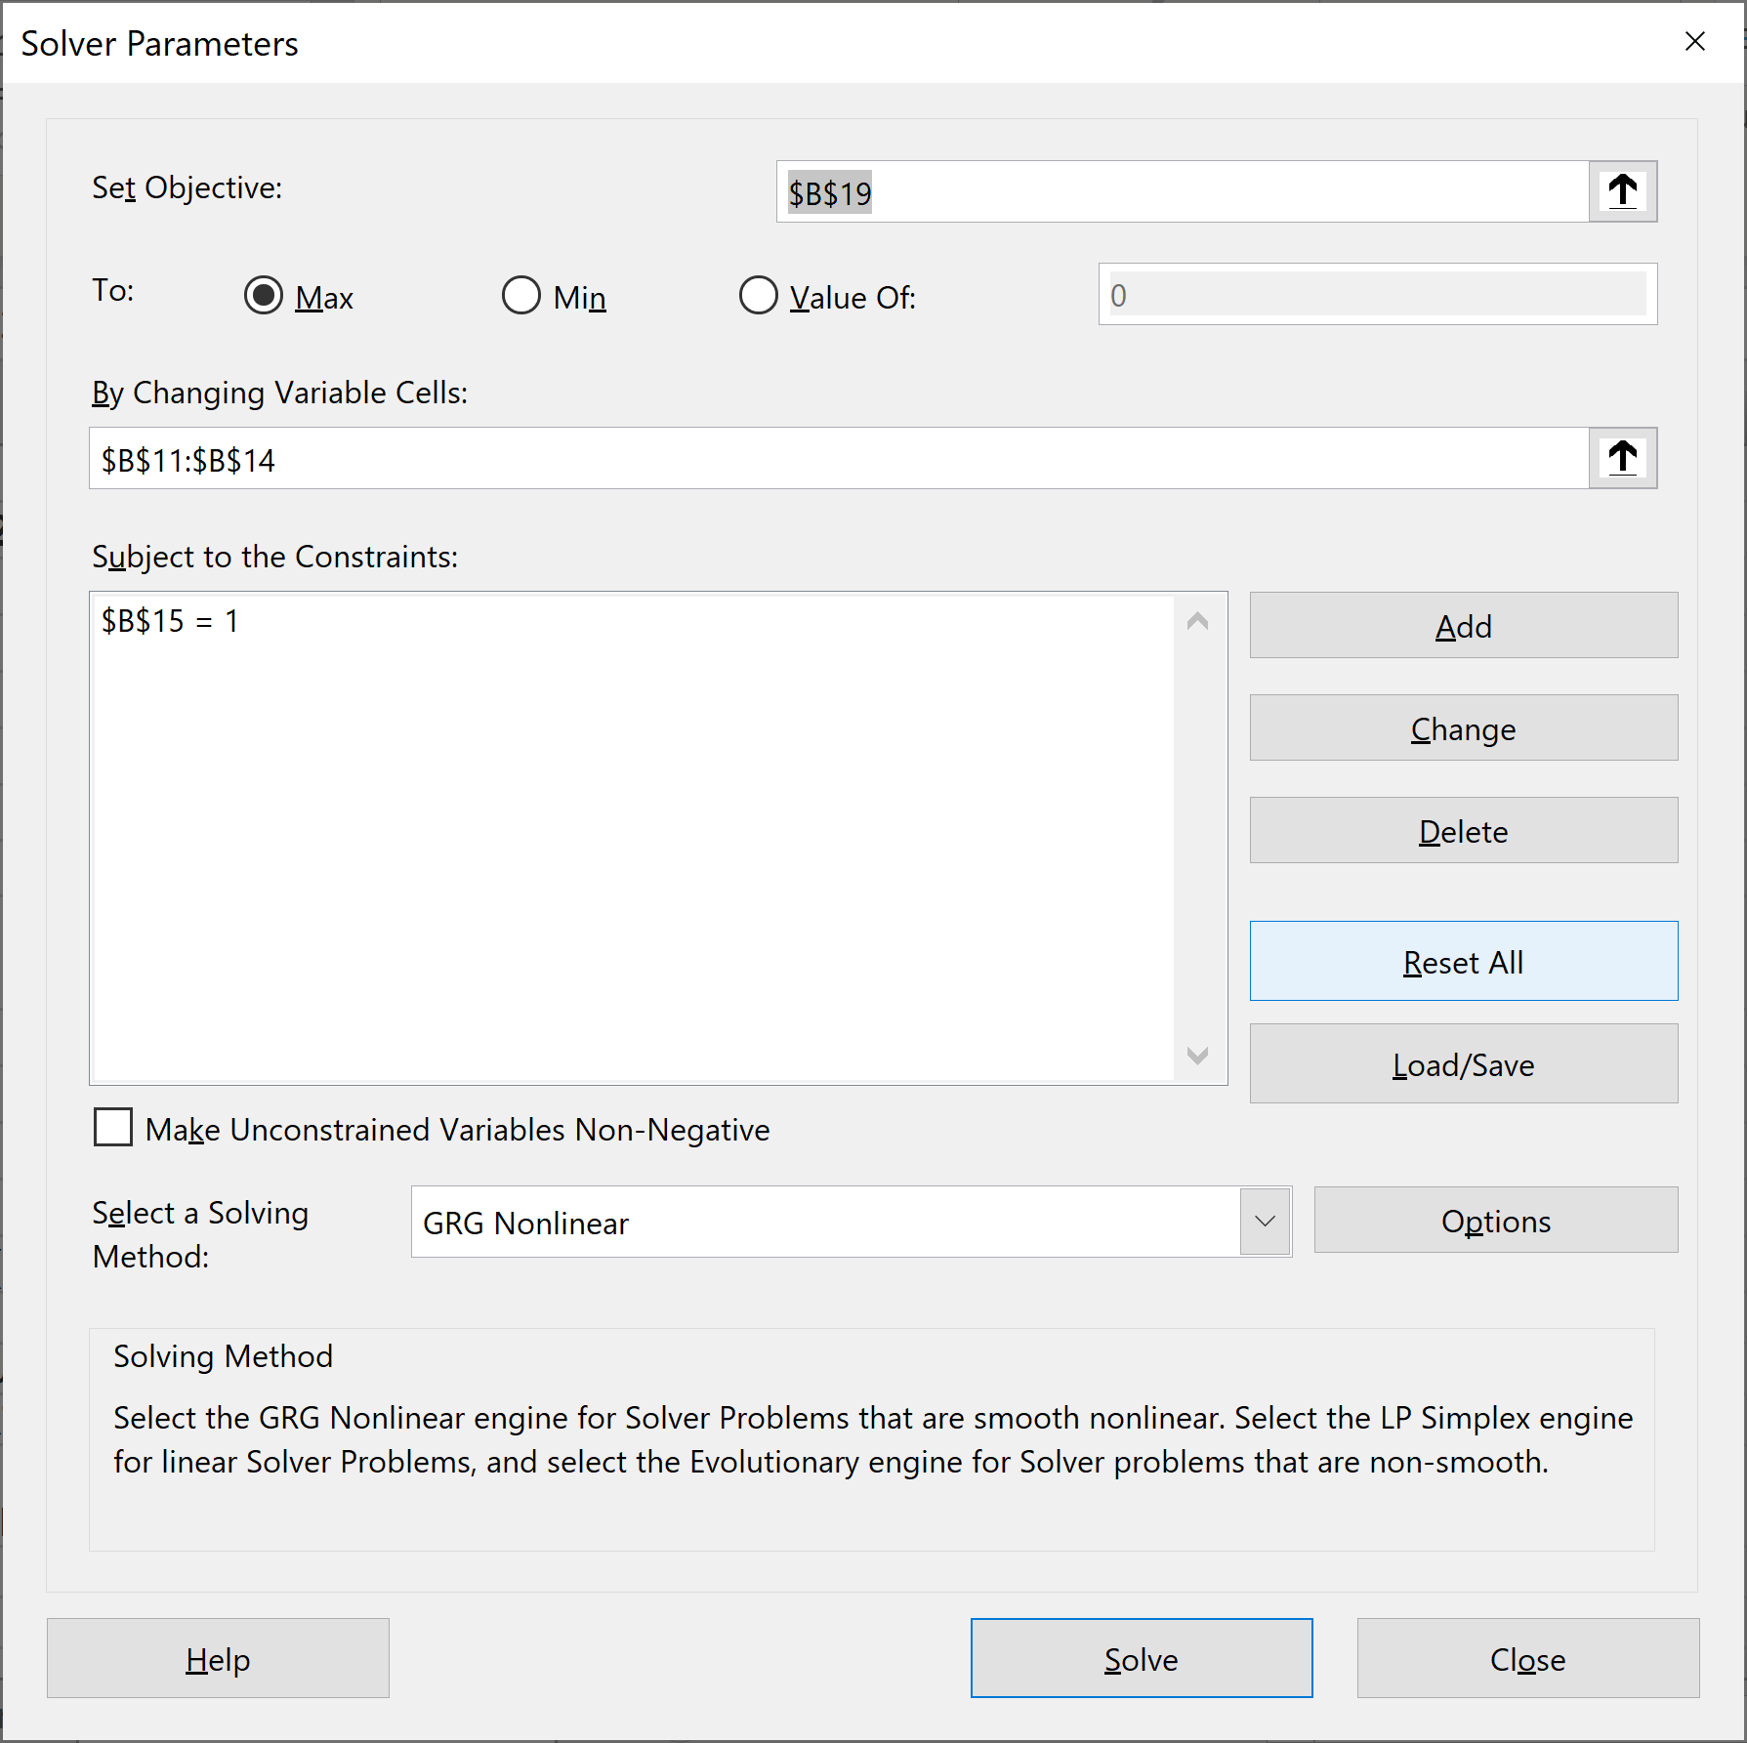
Asset 2 | 0.01 | 0.30 | 0.06 | -0.04 | 2%
Asset 3 | 0.03 | 0.06 | 0.40 | 0.02 | 8%
Asset 4 | 0.05 | -0.04 | 0.02 | 0.50 | 10%
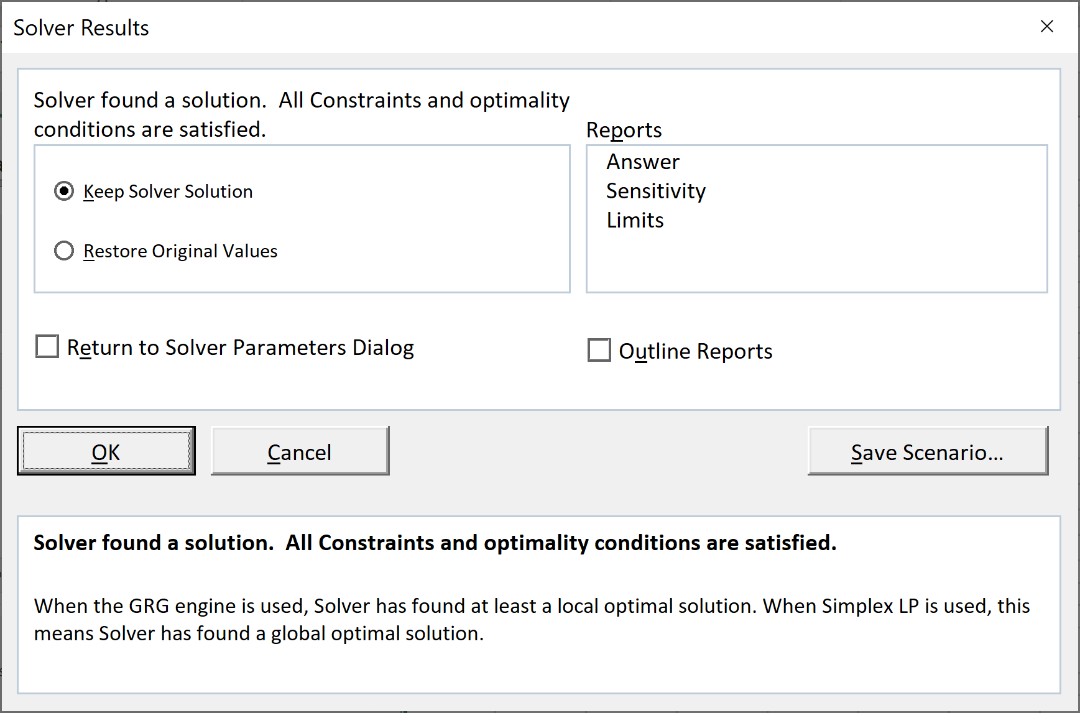
Constant | 2%
 | Envelope portfolio
Asset 1 | -69.0%
Asset 2 | -2.1%
Asset 3 | 81.6%
Asset 4 | 89.5%
Sum | 100.00% | <--=SUM(B11:B14)

Portfolio mean | 14.06% | <-- {=MMULT(TRANSPOSE(B11:B14),G4:G7)}
Portfolio sigma | 80.50% | <-- {=SQRT(MMULT(TRANSPOSE(B11:B14),MMULT(B4:E7,B11:B14)))}
q = Theta = (mean-constant)/sigma | 14.98% | <-- =(B17-B9)/B18

Efficient Frontier, Short Sales Allowed
1 | 1

No short (solver)
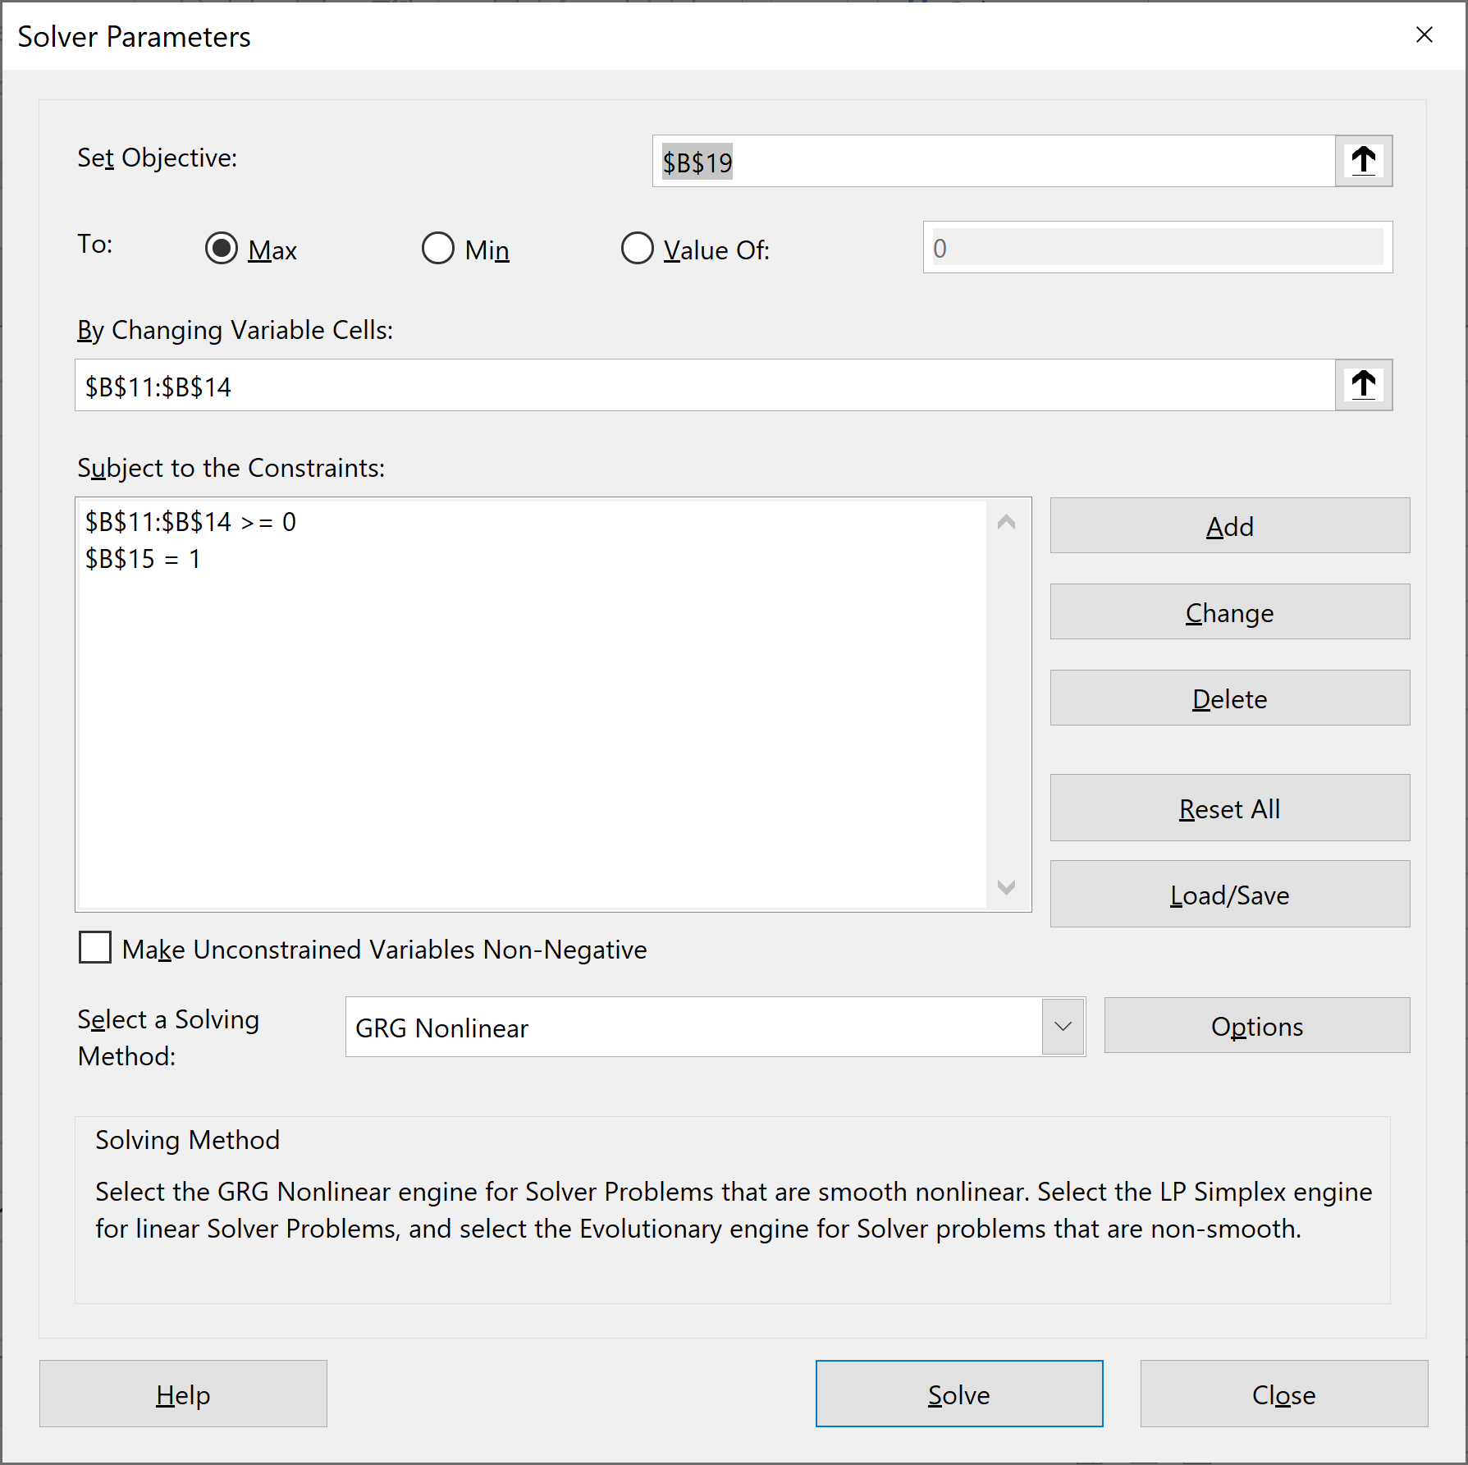
PORTFOLIO OPTIMIZATION NOT ALLOWING SHORT SALES Solution with Solver, starting from an arbitrary feasible portfolio
Variance-covariance matrix, S |  |  |  |  | Mean returns E(r)
 | Asset 1 | Asset 2 | Asset 3 | Asset 4
Asset 1 | 0.10 | 0.01 | 0.03 | 0.05 | 2%
Asset 2 | 0.01 | 0.30 | 0.06 | -0.04 | 2%
Asset 3 | 0.03 | 0.06 | 0.40 | 0.02 | 8%
Asset 4 | 0.05 | -0.04 | 0.02 | 0.50 | 10%

Constant | 2%
 | Envelope portfolio
Asset 1 | 0.0%
Asset 2 | 0.0%
Asset 3 | 48.0%
Asset 4 | 52.0%
Sum | 100.00% | <--=SUM(B11:B14)

Portfolio mean | 9.04% | <-- {=MMULT(TRANSPOSE(B11:B14),G4:G7)}
Portfolio sigma | 48.72% | <-- {=SQRT(MMULT(TRANSPOSE(B11:B14),MMULT(B4:E7,B11:B14)))}
q = Theta = (mean-constant)/sigma | 14.45% | <-- =(B17-B9)/B18

Efficient Frontier, Short Sales Allowed
1 | 1

No short (solver 2nd approach)
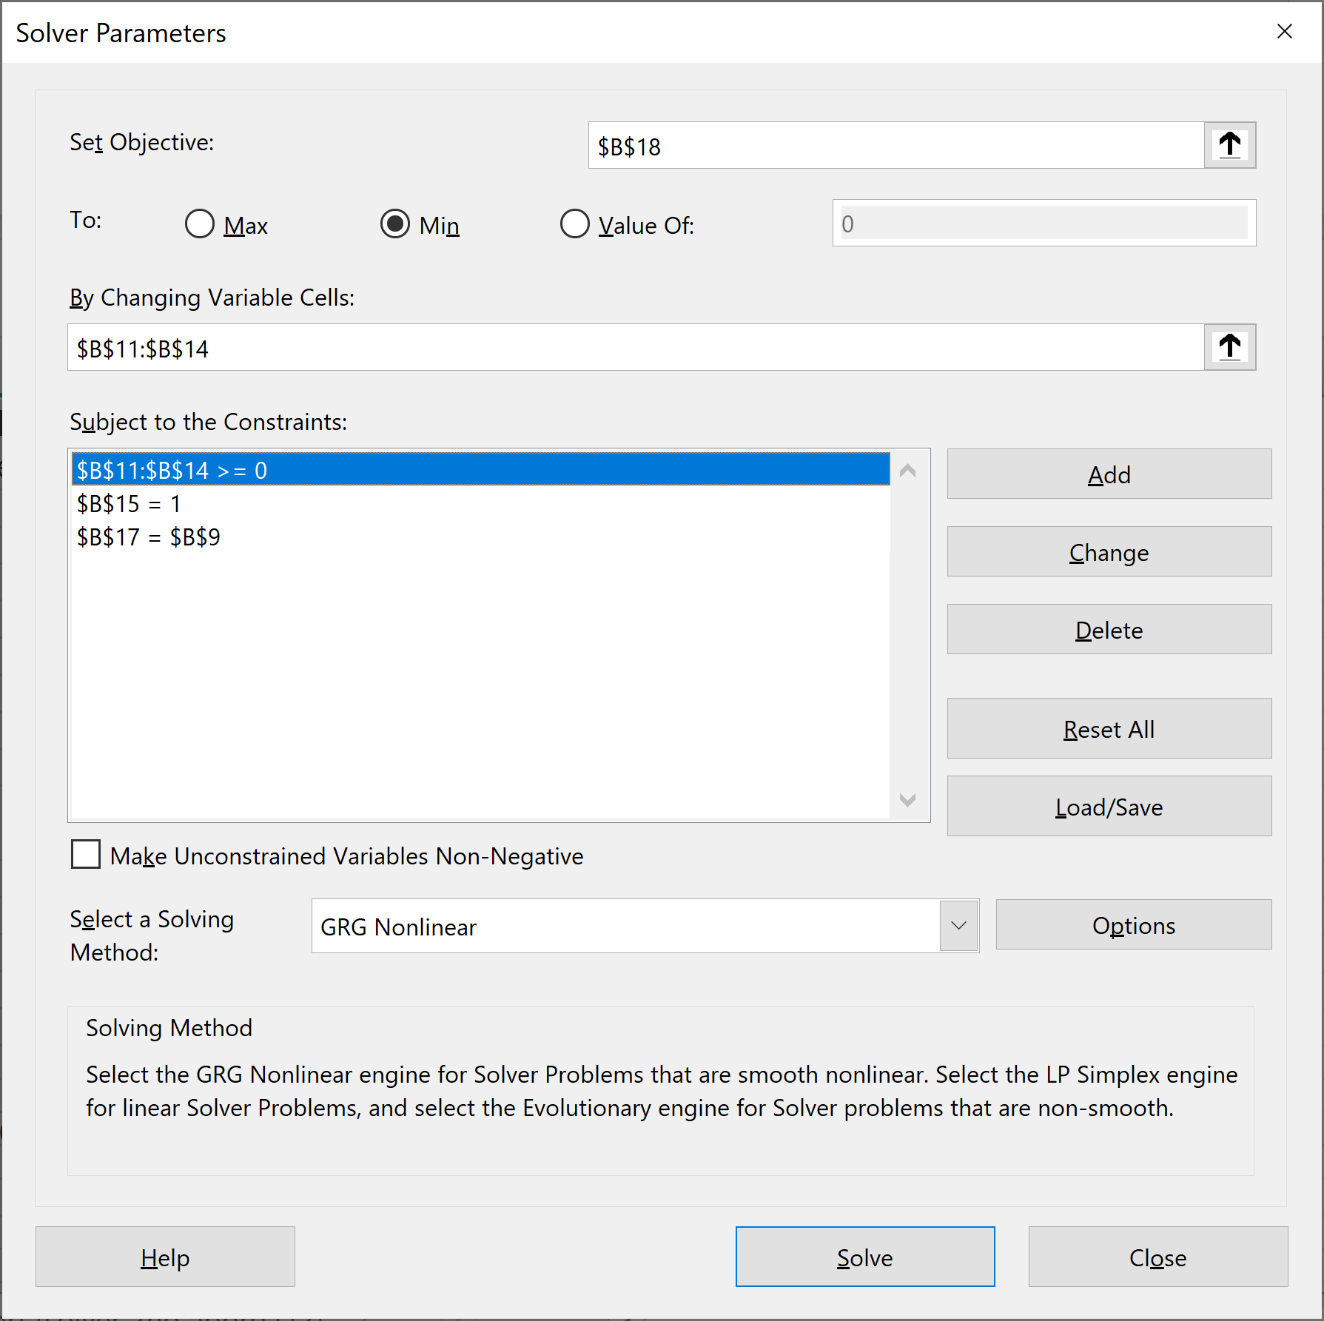
PORTFOLIO OPTIMIZATION NOT ALLOWING SHORT SALES Solution with Solver, starting from an arbitrary feasible portfolio, second approach
Variance-covariance matrix, S |  |  |  |  | Mean returns E(r)
 | Asset 1 | Asset 2 | Asset 3 | Asset 4 |  | Sigma
Asset 1 | 0.10 | 0.01 | 0.03 | 0.05 | 2% | 31.6%
Asset 2 | 0.01 | 0.30 | 0.06 | -0.04 | 2% | 54.8%
Asset 3 | 0.03 | 0.06 | 0.40 | 0.02 | 8% | 63.2%
Asset 4 | 0.05 | -0.04 | 0.02 | 0.50 | 10% | 70.7%

Target mean return | 9%
 | Envelope portfolio
Asset 1 | 0.0%
Asset 2 | 0.5%
Asset 3 | 48.0%
Asset 4 | 51.5%
Sum | 100.00% | <--=SUM(B11:B14)

Portfolio mean | 9.00% | <-- {=MMULT(TRANSPOSE(B11:B14),G4:G7)}
Portfolio sigma | 48.45% | <-- {=SQRT(MMULT(TRANSPOSE(B11:B14),MMULT(B4:E7,B11:B14)))}

Efficient Frontier, Short Sales Allowed
1 | 1

No short vs general eff. front.
PORTFOLIO OPTIMIZATION NOT ALLOWING SHORT SALES Solution with Solver, starting from an arbitrary feasible portfolio, second approach
Variance-covariance matrix, S |  |  |  |  |  | Mean returns E(r)
 | Asset 1 | Asset 2 | Asset 3 | Asset 4 |  |  | Sigma
Asset 1 | 0.10 | 0.01 | 0.03 | 0.05 |  | 2% | 31.6%
Asset 2 | 0.01 | 0.30 | 0.06 | -0.04 |  | 2% | 54.8%
Asset 3 | 0.03 | 0.06 | 0.40 | 0.02 |  | 8% | 63.2%
Comparing two efficient frontiers
Asset 4 | 0.05 | -0.04 | 0.02 | 0.50 |  | 10% | 70.7%

Target mean return | 10% |  | 0% | 2%
Constrained portfolio | Envelope portfolio |  | Envelope portfolio A | Enveloope portfolio B
Asset 1 | 0.0% |  | 9.43% | -69.02% | <--{=MMULT(MINVERSE($B$4:$E$7),$G$4:$G$7-E9)/SUM(MMULT(MINVERSE($B$4:$E$7),$G$4:$G$7-E9))}
Asset 2 | 0.0% |  | 11.70% | -2.10%
Asset 3 | 0.0% |  | 37.94% | 81.65%
Asset 4 | 100.0% |  | 40.92% | 89.47%
Sum | 100.00% |  | 100.00% | 100.00% | <--=SUM(E11:E14)

Portfolio mean | 10.00% |  | 7.55% | 14.06%
Portfolio sigma | 70.71% |  | 40.03% | 80.50%
 |  | Covariance | 0.2983
 |  | Rho | 0.93

Efficient frontier without short-sales |  |  |  |  |  |  | Efficient frontier with short-sales |  |  |  | Jumps | 5%
Mean return | Sigma | X(Asset 1) | X(Asset 2) | X(Asset 3) | X(Asset 4) |  | X(portfolio A) | X(portfolio B) | Mean return | Sigma
2.0% | 28.1% | 76.3% | 23.7% | 0.0% | 0.0% |  | 20% | 80% | 12.8% | 71.88%
2.2% | 27.6% | 73.9% | 23.1% | 2.0% | 1.0% |  | 25% | 75% | 12.4% | 69.74%
2.4% | 27.2% | 71.5% | 22.6% | 3.3% | 2.5% |  | 30% | 70% | 12.1% | 67.62%
2.6% | 26.9% | 69.1% | 22.2% | 4.7% | 4.0% |  | 35% | 65% | 11.8% | 65.51%
2.8% | 26.7% | 66.7% | 21.8% | 6.0% | 5.5% |  | 40% | 60% | 11.5% | 63.42%
3.0% | 26.6% | 64.3% | 21.4% | 7.4% | 7.0% |  | 45% | 55% | 11.1% | 61.33%
Efficient Frontier, Short Sales Allowed
1 | 1
3.2% | 26.5% | 61.9% | 20.9% | 8.7% | 8.5% |  | 50% | 50% | 10.8% | 59.27%
3.4% | 26.5% | 59.5% | 20.5% | 10.1% | 10.0% |  | 55% | 45% | 10.5% | 57.22%
3.6% | 26.6% | 57.1% | 20.1% | 11.4% | 11.4% |  | 60% | 40% | 10.2% | 55.19%
3.8% | 26.7% | 54.7% | 19.7% | 12.7% | 12.9% |  | 65% | 35% | 9.8% | 53.18%
4.0% | 26.9% | 52.2% | 19.2% | 14.1% | 14.4% |  | 70% | 30% | 9.5% | 51.20%
4.2% | 27.2% | 49.8% | 18.8% | 15.4% | 15.9% |  | 75% | 25% | 9.2% | 49.25%
4.4% | 27.6% | 47.4% | 18.4% | 16.8% | 17.4% |  | 80% | 20% | 8.9% | 47.32%
4.6% | 28.0% | 45.0% | 18.0% | 18.1% | 18.9% |  | 85% | 15% | 8.5% | 45.44%
4.8% | 28.5% | 42.6% | 17.5% | 19.5% | 20.4% |  | 90% | 10% | 8.2% | 43.59%
5.0% | 29.1% | 40.2% | 17.1% | 20.8% | 21.9% |  | 95% | 5% | 7.9% | 41.78%
5.2% | 29.7% | 37.8% | 16.7% | 22.2% | 23.4% |  | 100% | 0% | 7.6% | 40.03%
5.4% | 30.3% | 35.4% | 16.3% | 23.5% | 24.9% |  | 105% | -5% | 7.2% | 38.34%
5.6% | 31.1% | 33.0% | 15.8% | 24.9% | 26.4% |  | 110% | -10% | 6.9% | 36.71%
5.8% | 31.8% | 30.5% | 15.4% | 26.2% | 27.9% |  | 115% | -15% | 6.6% | 35.15%
6.0% | 32.6% | 28.1% | 15.0% | 27.5% | 29.4% |  | 120% | -20% | 6.2% | 33.69%
6.2% | 33.5% | 25.7% | 14.6% | 28.9% | 30.8% |  | 125% | -25% | 5.9% | 32.32%
6.4% | 34.4% | 23.3% | 14.1% | 30.2% | 32.3% |  | 130% | -30% | 5.6% | 31.05%
6.6% | 35.3% | 20.9% | 13.7% | 31.6% | 33.8% |  | 135% | -35% | 5.3% | 29.92%
6.8% | 36.2% | 18.5% | 13.3% | 32.9% | 35.3% |  | 140% | -40% | 4.9% | 28.92%
7.0% | 37.2% | 16.1% | 12.9% | 34.2% | 36.8% |  | 145% | -45% | 4.6% | 28.07%
7.2% | 38.2% | 13.7% | 12.4% | 35.6% | 38.3% |  | 150% | -50% | 4.3% | 27.40%
7.4% | 39.2% | 11.2% | 12.0% | 36.9% | 39.8% |  | 155% | -55% | 4.0% | 26.90%
7.6% | 40.3% | 8.8% | 11.6% | 38.3% | 41.3% |  | 160% | -60% | 3.6% | 26.59%
7.8% | 41.4% | 6.4% | 11.2% | 39.6% | 42.8% |  | 165% | -65% | 3.3% | 26.48%
8.0% | 42.5% | 4.0% | 10.7% | 41.0% | 44.3% |  | 170% | -70% | 3.0% | 26.57%
8.2% | 43.6% | 1.6% | 10.3% | 42.3% | 45.8% |  | 175% | -75% | 2.7% | 26.86%
8.4% | 44.7% | 0.0% | 9.1% | 43.7% | 47.2% |  | 180% | -80% | 2.3% | 27.34%
8.6% | 45.9% | 0.0% | 6.2% | 45.1% | 48.7% |  | 185% | -85% | 2.0% | 28.00%
8.8% | 47.1% | 0.0% | 3.4% | 46.6% | 50.1% |  | 190% | -90% | 1.7% | 28.83%
9.0% | 48.5% | 0.0% | 0.5% | 48.0% | 51.5% |  | 195% | -95% | 1.4% | 29.81%
9.2% | 50.4% | 0.0% | 0.0% | 40.0% | 60.0% |  | 200% | -100% | 1.0% | 30.94%
9.4% | 53.8% | 0.0% | 0.0% | 30.0% | 70.0% |  | 205% | -105% | 0.7% | 32.19%
9.6% | 58.5% | 0.0% | 0.0% | 20.0% | 80.0% |  | 210% | -110% | 0.4% | 33.55%
9.8% | 64.2% | 0.0% | 0.0% | 10.0% | 90.0% |  | 215% | -115% | 0.1% | 35.00%
10.0% | 70.7% | 0.0% | 0.0% | 0.0% | 100.0% |  | 220% | -120% | -0.3% | 36.55%

Other restrictions
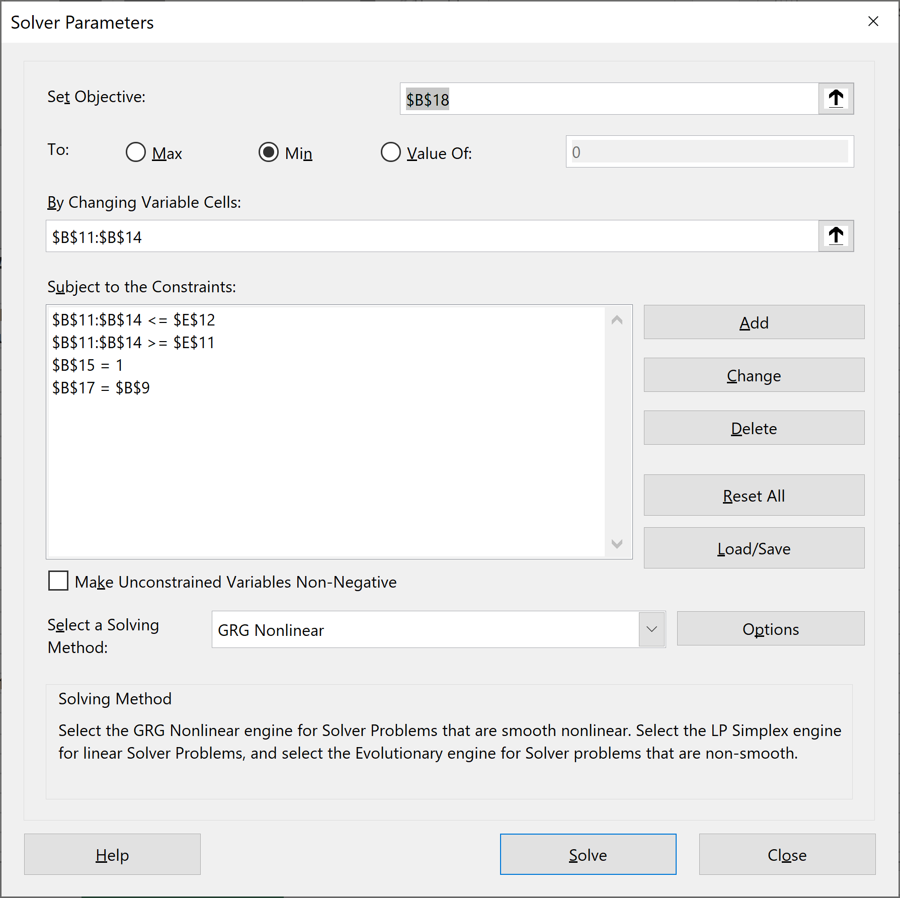
PORTFOLIO OPTIMIZATION WITH MORE COMPLICATED CONSTRAINTS Solution with Solver, starting from an arbitrary feasible portfolio
Variance-covariance matrix, S |  |  |  |  | Mean returns E(r)
 | Asset 1 | Asset 2 | Asset 3 | Asset 4
Asset 1 | 0.10 | 0.01 | 0.03 | 0.05 | 2%
Asset 2 | 0.01 | 0.30 | 0.06 | -0.04 | 2%
Asset 3 | 0.03 | 0.06 | 0.40 | 0.02 | 8%
Asset 4 | 0.05 | -0.04 | 0.02 | 0.50 | 10%

Target mean return | 7%
 | Envelope portfolio |  | Holding constraints
Asset 1 | 16.1% |  | Lower limit | 10%
Asset 2 | 12.9% |  | Upper limit | 60%
Asset 3 | 34.2%
Asset 4 | 36.8%
Sum | 100.00% | <--=SUM(B11:B14)

Portfolio mean | 7.00% | <--{=MMULT(TRANSPOSE(B11:B14),G4:G7)}
Portfolio sigma | 37.20% | <--{=SQRT(MMULT(TRANSPOSE(B11:B14),MMULT(B4:E7,B11:B14)))}

Efficient Frontier, Short Sales Allowed
1 | 1

